RMAs
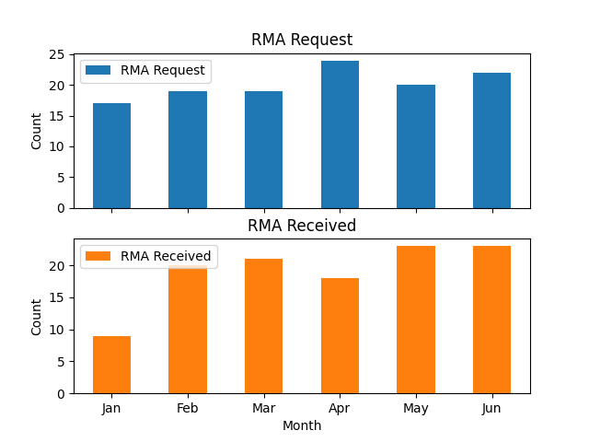
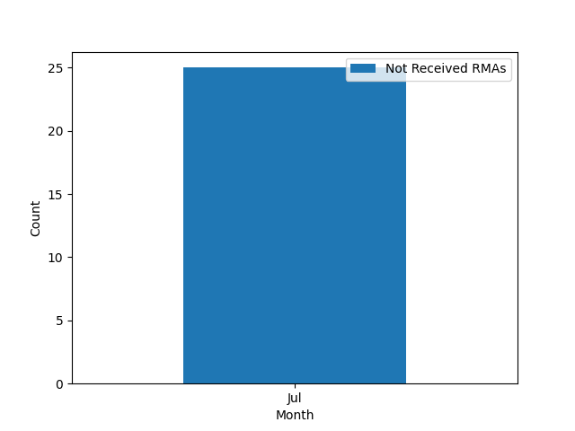
 | RMA Request | RMA Received
Jan | 17 | 9
Feb | 19 | 20
Mar | 19 | 21
Apr | 24 | 18
May | 20 | 23
Jun | 22 | 23

Lines
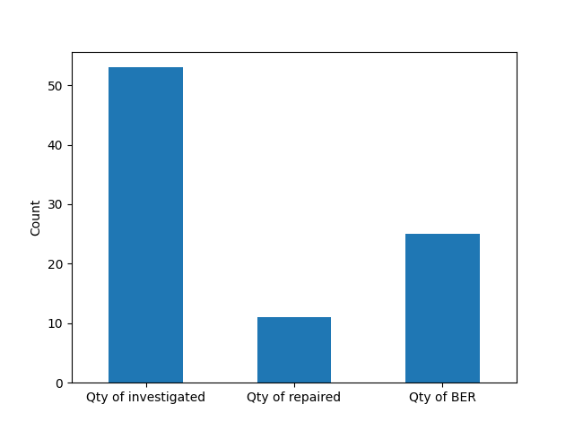
RMA No | Qty of investigated | Qty of repaired | Qty of BER
RMA0000202 | 23 | 0 | 23
RMA0000218 | 17 | 0 | 0
RMA0000215 | 3 | 3 | 0
rma0000205 | 1 | 1 | 0
RMA0000226 | 1 | 1 | 0
RMA0000225 | 1 | 1 | 0
RMA0000216 | 1 | 1 | 0
RMA0000229 | 1 | 1 | 0
RMA0000222 | 1 | 1 | 0
RMA0000214 | 1 | 1 | 0
RMA0000231 | 1 | 0 | 1
RMA0000204 | 1 | 0 | 1
RMA0000219 | 1 | 1 | 0
 | 53 | 11 | 25

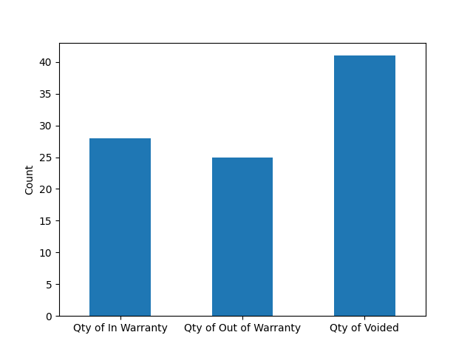
RMA No | Qty of In Warranty | Qty of Out of Warranty | Qty of Voided
RMA0000202 | 7 | 16 | 23
RMA0000218 | 17 | 0 | 15
RMA0000215 | 3 | 0 | 0
rma0000205 | 0 | 1 | 0
RMA0000226 | 0 | 1 | 0
RMA0000225 | 0 | 1 | 0
RMA0000216 | 0 | 1 | 1
RMA0000229 | 0 | 1 | 0
RMA0000222 | 0 | 1 | 0
RMA0000214 | 0 | 1 | 1
RMA0000231 | 0 | 1 | 1
RMA0000204 | 1 | 0 | 0
RMA0000219 | 0 | 1 | 0
 | 28 | 25 | 41

Lines_Crown
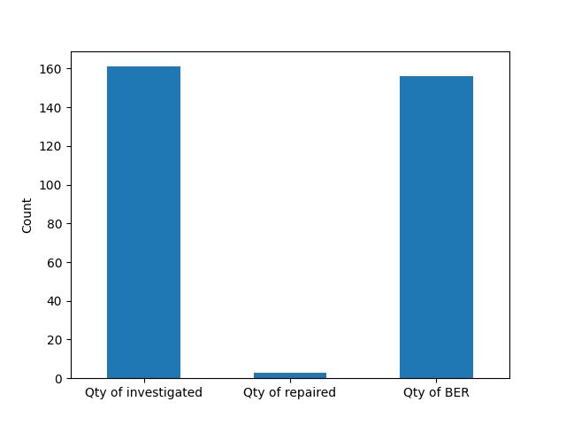
RMA No | Qty of investigated | Qty of repaired | Qty of BER
RMA0000200 | 38 | 0 | 38
RMA0000189 | 30 | 0 | 29
RMA0000167 | 29 | 0 | 29
RMA0000208 | 24 | 0 | 24
RMA0000159 | 20 | 0 | 19
RMA0000223 | 16 | 0 | 16
RMA0000227 | 1 | 1 | 0
RMA0000183 | 1 | 0 | 1
RMA0000234 | 1 | 1 | 0
RMA0000230 | 1 | 1 | 0
 | 161 | 3 | 156

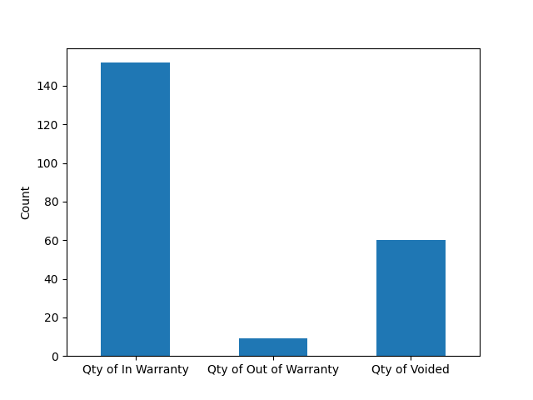
RMA No | Qty of In Warranty | Qty of Out of Warranty | Qty of Voided
RMA0000200 | 38 | 0 | 16
RMA0000189 | 27 | 3 | 6
RMA0000167 | 29 | 0 | 12
RMA0000208 | 21 | 3 | 9
RMA0000159 | 19 | 1 | 9
RMA0000223 | 16 | 0 | 8
RMA0000227 | 1 | 0 | 0
RMA0000183 | 0 | 1 | 0
RMA0000234 | 0 | 1 | 0
RMA0000230 | 1 | 0 | 0
 | 152 | 9 | 60

